Sheet2
1 | side |  | ft
 | sdie |  | ft
 | length | 0 | ft

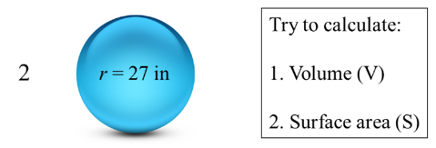
2 | radius |  | ft
 | volume | 0 | in^3
 | area | 0 | in^2

3 | radius |  | cm
 | height |  | cm
 | volume | 0 | cm^3
 | area | 0 | cm^2

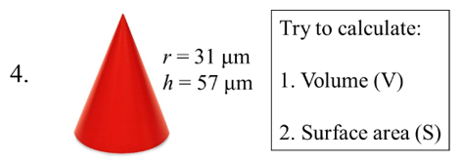
4 | radius |  | μm
 | height |  | μm
 | volume | 0 | μm^3
 | area | 0 | μm^2

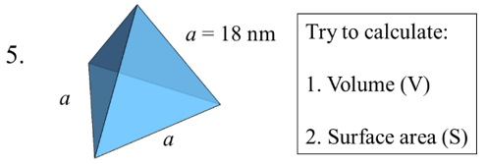
5 | side |  | nm
 | volume | 0 | nm^3
 | area | 0 | nm^2

Sheet4
results of maximum reflectivity change with substrate and N
 | 1.18 | 1.47 | 1.65 | 1.92 | 2.03 | 2.79
1 | 0.047341559007 | 0.10202257331 | 0.1371063369 | 0.1881492963 | 0.20802762848 | 0.32786815291 | n0 | 1
2 | 0.1188530525 | 0.19155714266 | 0.23344808357 | 0.2906238042 | 0.3119869832 | 0.43330675152 | n1 | 1.78
3 | 0.21197814214 | 0.29431778494 | 0.33870944155 | 0.39676454239 | 0.41783535296 | 0.53246938651 | n2 | 1.55
4 | 0.31618178073 | 0.40043011669 | 0.44377942233 | 0.4987424987 | 0.51826589872 | 0.6211358432
5 | 0.42193736135 | 0.50215418834 | 0.54202306752 | 0.59141050273 | 0.60866843548 | 0.69742003536
6 | 0.5220423623 | 0.59443661207 | 0.62948135716 | 0.67212898843 | 0.68684564318 | 0.76113737632
7 | 0.61199041546 | 0.674716242 | 0.70447218821 | 0.74019376835 | 0.75240178273 | 0.81316066458
8 | 0.68966785247 | 0.74234429646 | 0.76694664054 | 0.79617408491 | 0.80608868323 | 0.85489996826
9 | 0.75473617306 | 0.79792329845 | 0.817853331 | 0.84134084708 | 0.84926296555 | 0.88794222088
10 | 0.80798033852 | 0.84274017841 | 0.85863417711 | 0.8772504418 | 0.88350211858 | 0.91383252218
11 | 0.85077190132 | 0.87835570831 | 0.89087977745 | 0.90548013336 | 0.91036681718 | 0.93396046058
12 | 0.8846913365 | 0.90634467026 | 0.91612317567 | 0.9274819658 | 0.93127401119 | 0.94951523964
13 | 0.91129545817 | 0.92815319476 | 0.93573474004 | 0.94451746591 | 0.94744380827 | 0.96148125131
14 | 0.9319940868 | 0.94503566403 | 0.95088254905 | 0.95764169084 | 0.95989045284 | 0.97065462155
15 | 0.94799917392 | 0.95804002381 | 0.9625308503 | 0.96771413581 | 0.96943666775 | 0.9776685801

 | 1.18 | 1.47 | 1.65 | 1.92 | 2.03 | 2.79 | n0 | 1
1 | 0.082004484046 | 0.14728063222 | 0.18653874373 | 0.24155017852 | 0.26246538301 | 0.38429290573 | n1 | 2.2
2 | 0.21824860962 | 0.30091811688 | 0.3453377396 | 0.40330095611 | 0.42430629197 | 0.53832515458 | n2 | 1.78
3 | 0.37926935056 | 0.46170461159 | 0.50320935068 | 0.55507236177 | 0.57330690648 | 0.6679369214
4 | 0.53385818135 | 0.60511425806 | 0.63951093305 | 0.68129052071 | 0.69568823661 | 0.76822606605
5 | 0.66435345725 | 0.72046470632 | 0.74680032683 | 0.77819014024 | 0.7888632451 | 0.84158873672
6 | 0.76554135447 | 0.80706488161 | 0.82619064204 | 0.84870157945 | 0.85628741404 | 0.89327598313
7 | 0.83966708878 | 0.86914648284 | 0.8825553796 | 0.89820603183 | 0.90344872463 | 0.92879249889
8 | 0.89194166806 | 0.91230044351 | 0.92148393048 | 0.93214352157 | 0.93570023983 | 0.95279625922
9 | 0.92788447338 | 0.9416895633 | 0.94788258503 | 0.95504480868 | 0.95742837204 | 0.96884258775
10 | 0.95218649542 | 0.96143520051 | 0.96556916987 | 0.97033861283 | 0.97192315137 | 0.97949242014
11 | 0.96843668618 | 0.97458375988 | 0.97732481381 | 0.98048222784 | 0.98153002724 | 0.98652724548
12 | 0.97922377505 | 0.98328807539 | 0.98509755586 | 0.98717973175 | 0.98787019961 | 0.99115973124
13 | 0.98635011415 | 0.98902813031 | 0.99021919281 | 0.99158882113 | 0.9920427822 | 0.99420404737
14 | 0.99104322876 | 0.99280384021 | 0.99358635406 | 0.99448578261 | 0.99478380222 | 0.99620200064
15 | 0.99412754599 | 0.99528332154 | 0.9957967857 | 0.99638679382 | 0.99658224844 | 0.99751208989

 | 1.18
1 | 0.047341559007
2 | 0.1188530525
3 | 0.21197814214
4 | 0.31618178073
5 | 0.42193736135
6 | 0.5220423623
7 | 0.61199041546
8 | 0.68966785247
9 | 0.75473617306
10 | 0.80798033852
11 | 0.85077190132
12 | 0.8846913365
13 | 0.91129545817
14 | 0.9319940868
15 | 0.94799917392
16 | 0.96031703883
17 | 0.96976331974
18 | 0.97698779071
19 | 0.98250163279
20 | 0.98670329689
21 | 0.98990124255
22 | 0.99233304461
23 | 0.99418098276
24 | 0.99558450922
25 | 0.99665008
26 | 0.99745882933
27 | 0.99807251632
28 | 0.99853810786
29 | 0.99889129631
30 | 0.99915919149

